Getting Going
https://livecodestream.dev/post/testing-in-nodejs-using-mocha-and-chai-part-1/

Set up the testing environment
Before continuing, set up a new Node.js project if you don’t have one already. Then, install Mocha and Chai libraries and save them as dev-dependencies to the package.json file using this command.
npm install mocha chai --save-dev
npm init

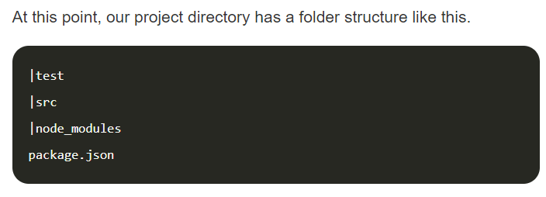

The same mocha and chai we saw in JS

describe("validator isValid()", () => {
//test a function for a specific case
it("should return true for a number in between 10 and 70", ()=> {
})
it("should return false when the number is less than or equal to 10", () => {
})
it("should return false when the number is greater than or equal to 70", () => {
})
})

Write a first test ... create a file called validateIt.s

exports.isNumValid = function(num) { if (num >= 70){ return false } else if (num <= 10) { return false } else{ return true } }

Write a first test ... create a file called validateIt.s
Fill out complete tests

const chai = require('chai') const expect = chai.expect const validator = require('../validateIt.js') describe("validator isNumValid()", () => { it("should return true for a number in between 10 and 70", ()=> { expect(validator.isNumValid(39)).to.be.true }) it("should return false when the number is less than or equal to 10", () => { expect(validator.isNumValid(10)).to.be.false }) it("should return false when the number is greater than or equal to 70", () => { expect(validator.isNumValid(79)).to.be.false }) })
const chai = require('chai')
const expect = chai.expect
const validator = require('../app/validator')
describe("validator isNumValid()", () => {
it("should return true for a number in between 10 and 70", () => {
expect(validator.isNumValid(39)).to.be.true
})
it("should return false when the number is less 10", () => {
expect(validator.isNumValid(9)).to.be.false
})
it("should return false when the number is equal to 10", () => {
expect(validator.isNumValid(10)).to.be.false
})
it("should return false when the number is equal to 70", () => {
expect(validator.isNumValid(70)).to.be.false
})
it("should return false when the number is greater than 70", () => {
expect(validator.isNumValid(71)).to.be.false })
})

Integration Testing
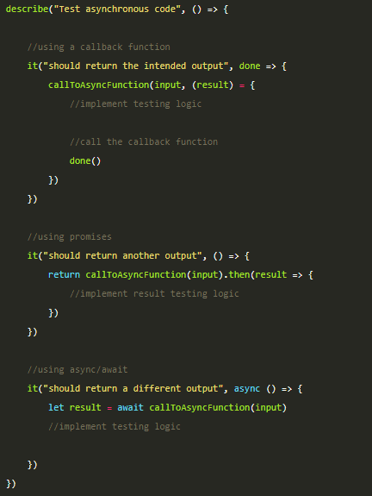
https://livecodestream.dev/post/testing-in-nodejs-using-mocha-and-chai-part-2/

Integration testing -> combines several units (that we tested in unit testing) and test them as a single group.
It inspects the system for bugs related to the interaction between units.
We can use integration testing to test data retrieval from databases, remote APIs, and API endpoints.
The use of integration testing increases the expanse of the code covered by tests.
Usually, integration testing is the responsibility of the developer. But it’s not rare for independent testers to carry out the testing.

Integration testing in Node.js with Mocha and Chai
will use Mocha and Chai NPM packages. use an Express server with REST endpoints for our testing purposes.
To send HTTP requests to this server during testing, we use a new package called chai-http.
Make sure to install chai-http using npm install command before continuing.

Testing asynchronous functions
slightly different format than previous tutorial.
Even though I used the word “new” to describe this format, it is not new for a Node.js developer.
-> pass a callback or if the asynchronous function returns a Promise,
use Promises or async/await inside the “it” function to deal with the asynchronous code as we normally do in Node.js.

TESTING GET Route
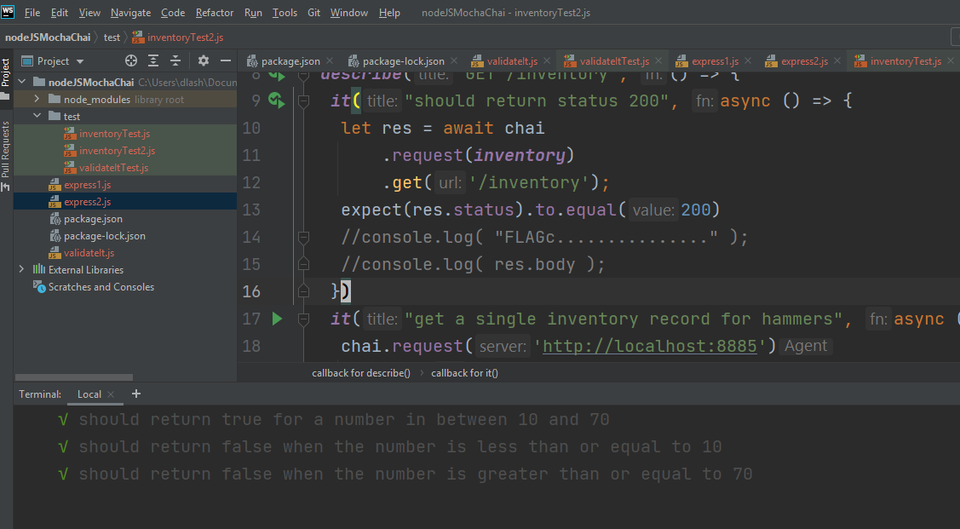
var express = require('express'); var app = express(); app.get('/', function( req, res){ res.send("hello world"); }); app.get('/inventory', (req, res) => { let response = { "items" : { hammer : { "quantity" :99, "price": 5.99}, saw : { "quantity" :45, "price": 12.99}, drivers : { "quantity" :15, "price": 10.99} } }; res.writeHead(200, {"Content-Type": "application/json"}); //console.log( response ); res.end(JSON.stringify(response)); res.status(200).send(); }); var server = app.listen(8888, function(){ var host = server.address().address; var port = server.address().port; console.log(`listening on http://${host}:${port}`); }) module.exports = app;

Set up express route for GET ... do not need to start the route

Inside test ... create inventortTest.js
const chai = require("chai"); const chaiHttp = require("chai-http"); const expect = chai.expect chai.use(chaiHttp); //const app = require('../app') const inventory = require('../express1.js') //const Dog = require("./models/dog") describe("GET /inventory", () => { it("should return status 200", async () => { let res = await chai .request(inventory) .get('/inventory'); expect(res.status).to.equal(200) console.log( "FLAGA" ); console.log( res.body ); }) it("get inventory should contain hammers", async () => { chai.request('http://localhost:8888') .get('/inventory') .end(function(err, res) { console.log("flagb->"); console.log(res.body); expect(res).to.have.status(200); expect(res.body).to.have.property('items'); expect(res.body.items).to.have.property('saw'); }); }); });

Single file item test
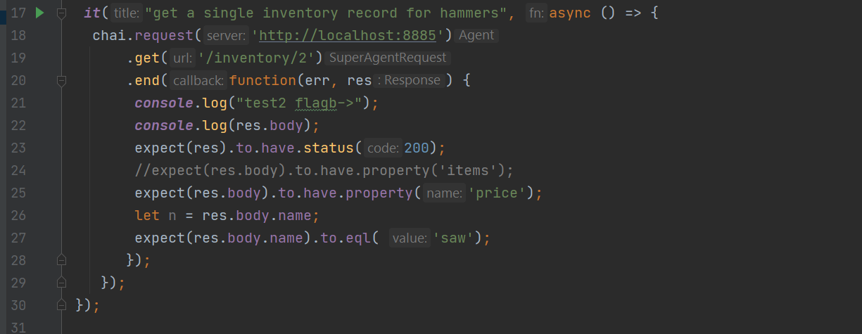
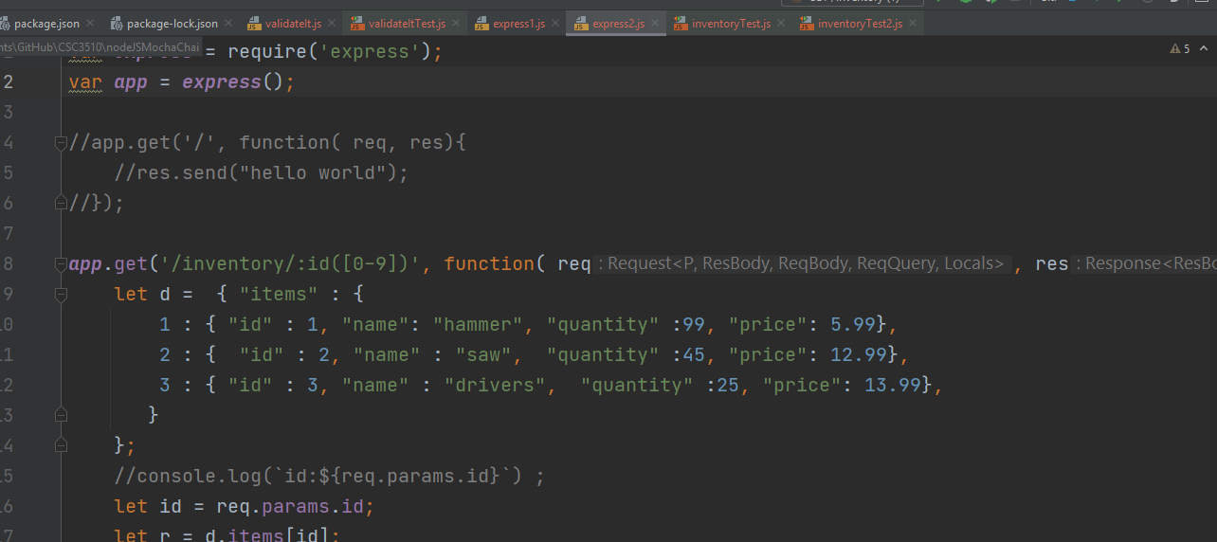

Add a route for a single file

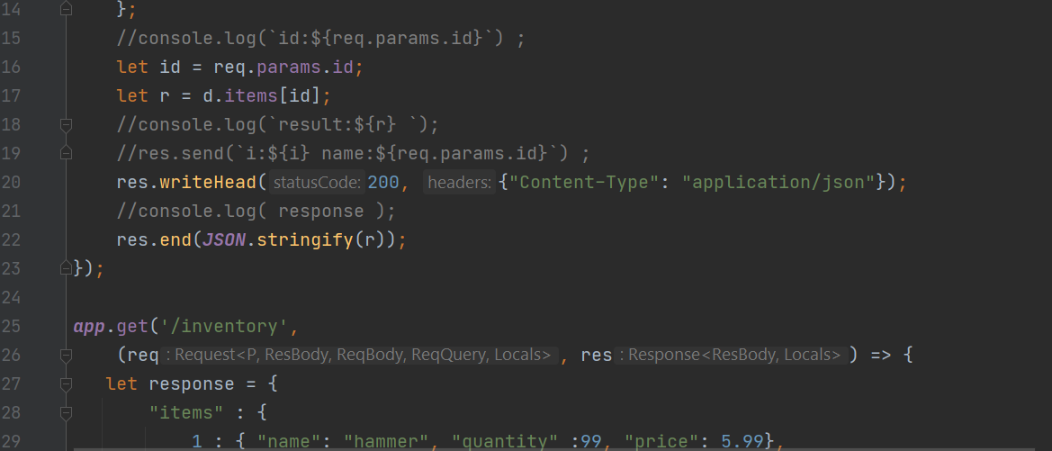

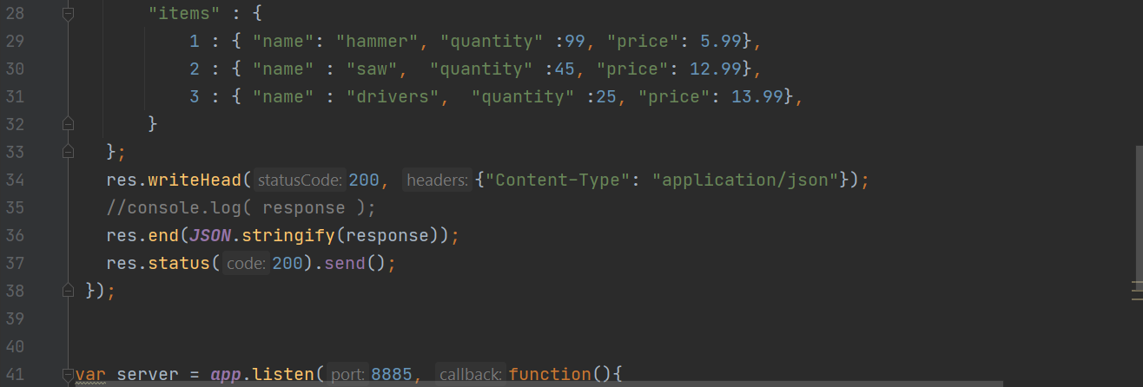

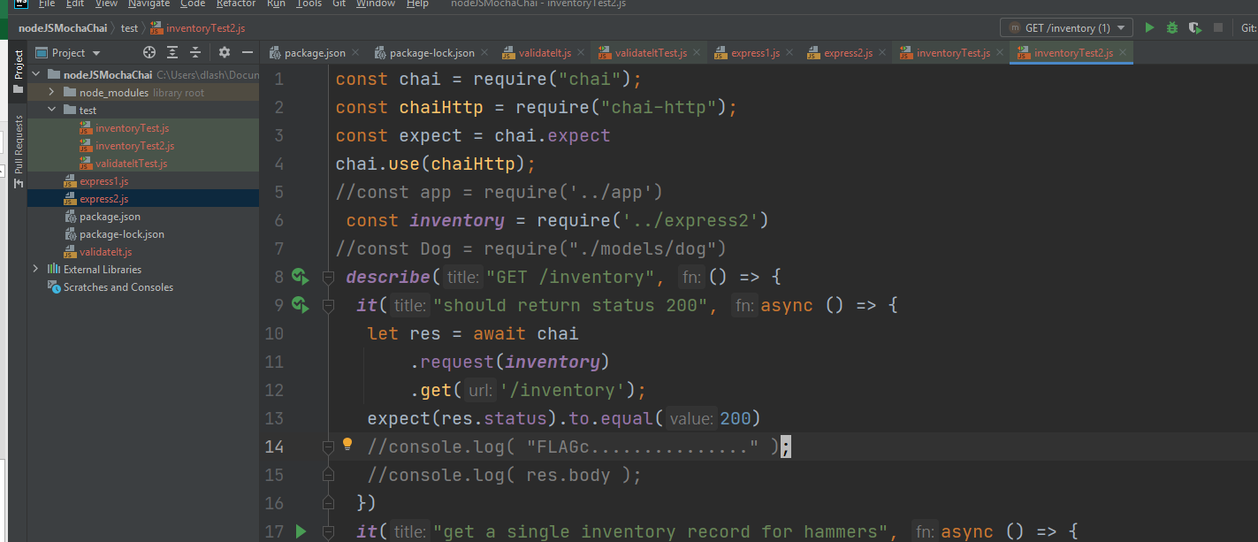

add tests

Post Request
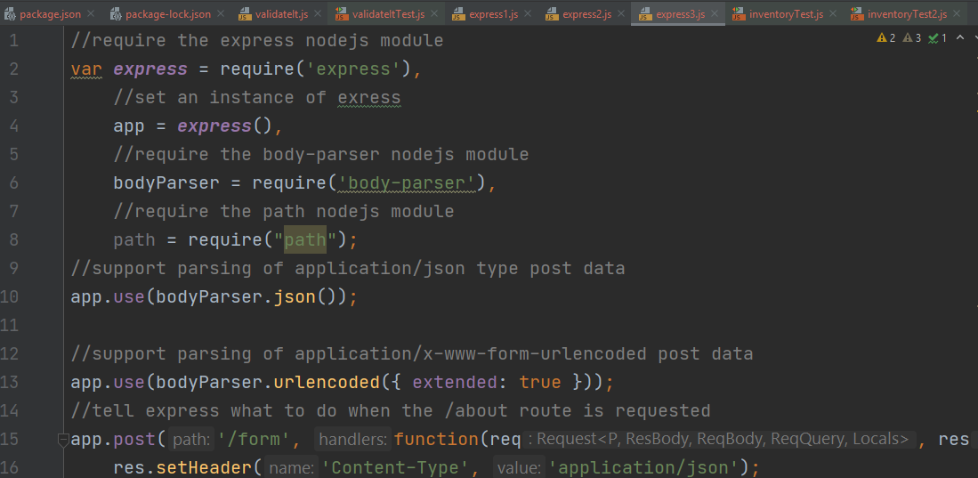

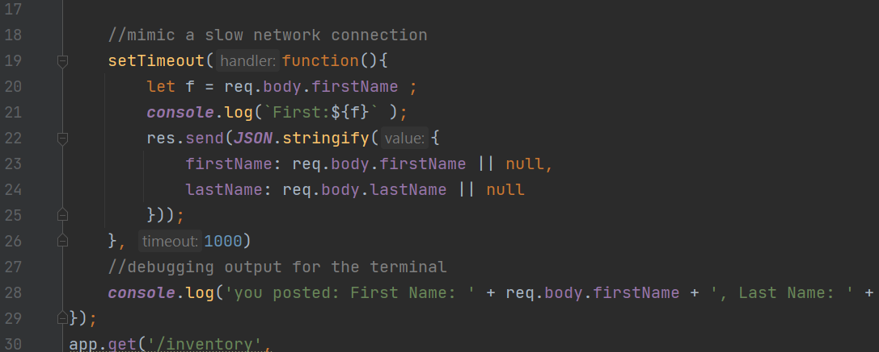

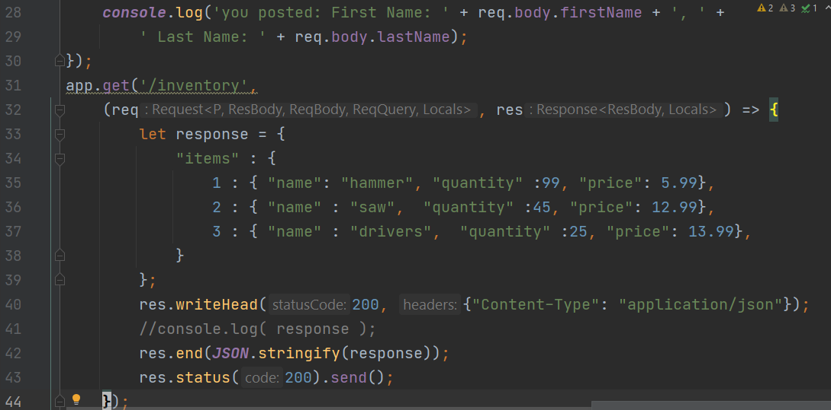

JavaScript Front-end Post back
<!DOCTYPE html> <html> <head> <title>jQuery AJAX POST Form</title> <meta charset="utf-8"> </head> <body> <div id="response"> <pre></pre> </div> <form id="my-form"> First: <input type="text" id="first-name" name="firstName" placeholder="First Name" /> Last: <input type="text" id="last-name" name="lastName" placeholder="Last Name" /> <button type="submit">Submit</button> </form> <script src="//ajax.googleapis.com/ajax/libs/jquery/1.11.1/jquery.min.js"></script> <script> (function($){ function processForm( e ){ $.ajax({ url: 'http://127.0.0.1:3333/form', dataType: 'text', type: 'post', contentType: 'application/x-www-form-urlencoded', data: $(this).serialize(), success: function( data, textStatus, jQxhr ){ $('#response pre').html( data ); }, error: function( jqXhr, textStatus, errorThrown ){ console.log( errorThrown ); } }); e.preventDefault(); } $('#my-form').submit( processForm ); })(jQuery); </script> </body> </html>

Load this up and start as node.js
//require the express nodejs module var express = require('express'), //set an instance of exress app = express(), //require the body-parser nodejs module bodyParser = require('body-parser'), //require the path nodejs module path = require("path"); //support parsing of application/json type post data app.use(bodyParser.json()); //support parsing of application/x-www-form-urlencoded post data app.use(bodyParser.urlencoded({ extended: true })); //tell express what to do when the /about route is requested app.post('/form', function(req, res){ res.header("Access-Control-Allow-Origin", "*"); res.header("Access-Control-Allow-Headers", "Origin, X-Requested-With, Content-Type, Accept"); res.setHeader('Content-Type', 'application/json'); //mimic a slow network connection setTimeout(function(){ let f = req.body.firstName ; console.log(`First:${f}` ); res.send(JSON.stringify({ firstName: req.body.firstName || null, lastName: req.body.lastName || null })); }, 1000) //debugging output for the terminal console.log('you posted: First Name: ' + req.body.firstName + ', ' + ' Last Name: ' + req.body.lastName); }); app.get('/inventory', (req, res) => { let response = { "items" : { 1 : { "name": "hammer", "quantity" :99, "price": 5.99}, 2 : { "name" : "saw", "quantity" :45, "price": 12.99}, 3 : { "name" : "drivers", "quantity" :25, "price": 13.99}, } }; res.writeHead(200, {"Content-Type": "application/json"}); //console.log( response ); res.end(JSON.stringify(response)); res.status(200).send(); }); //wait for a connection app.listen(3333, function () { console.log('Server is running. Point your browser to: http://localhost:3333'); });

sinon
npm-install --save-dev sinon

